Columns
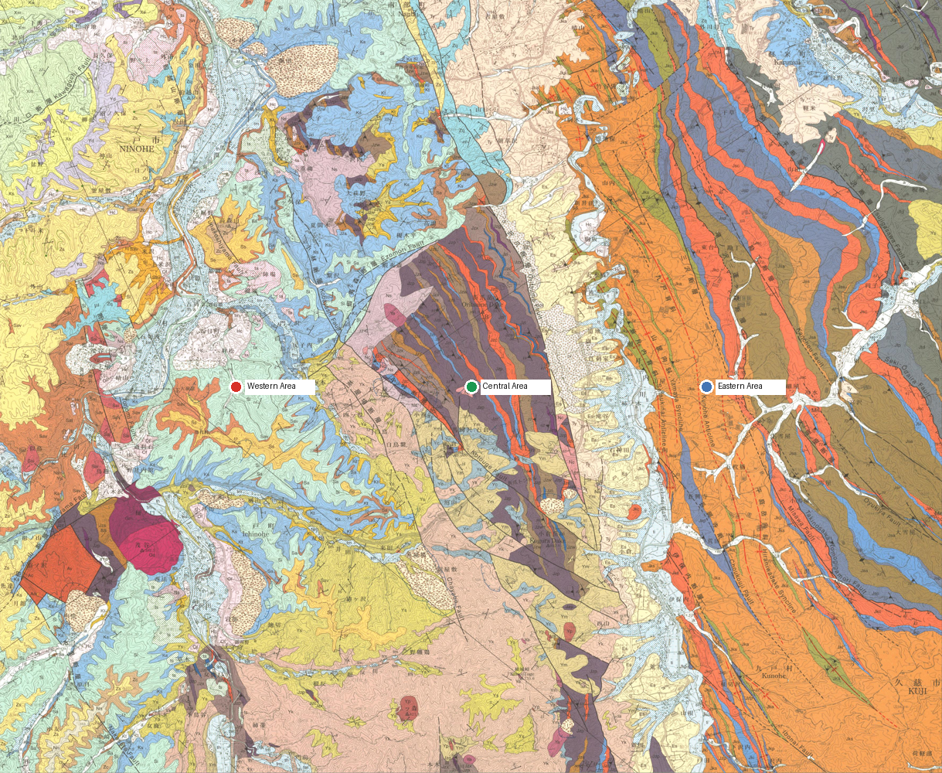
col_id | col_name | region_basis | lat | lng | geom | rgeom | evidence | status | ref_ids
western | Western Area | Regional label read from the source summary figure | 40.25277773 | 141.30890944 |  |  | PDF regional-header direction anchored inside the official GSJ georeferenced map extent. Selected score 0.0000. Source summary figure assigns this Column to the west map area Map verification: PDF regional-header direction anchored inside the official GSJ georeferenced map extent. Selected score 0.0000. Source summary figure assigns this Column to the west map area; inside assigned region: no. | VERIFIED | gsj1286
central | Central Area | Regional label read from the source summary figure | 40.25277773 | 141.37138071 |  |  | PDF regional-header direction anchored inside the official GSJ georeferenced map extent. Selected score 0.0000. Source summary figure assigns this Column to the central map area Map verification: PDF regional-header direction anchored inside the official GSJ georeferenced map extent. Selected score 0.0000. Source summary figure assigns this Column to the central map area; inside assigned region: no. | VERIFIED | gsj1286
eastern | Eastern Area | Regional label read from the source summary figure | 40.25277773 | 141.43385198 |  |  | PDF regional-header direction anchored inside the official GSJ georeferenced map extent. Selected score 0.0000. Source summary figure assigns this Column to the east map area Map verification: PDF regional-header direction anchored inside the official GSJ georeferenced map extent. Selected score 0.0000. Source summary figure assigns this Column to the east map area; inside assigned region: no. | VERIFIED | gsj1286

